Help
Instructions | Common expense accounts

This workbook contains four cash flow budget templates: Cash flow budget: A basic monthly budget Cash flow budget, complex: A monthly budget that separates variable and fixed expenses Long-term cash flows: An annual budget for up to 10 years Long-term cash flows, complex: An annual budget for up to 10 years that separates variable and fixed expenses Choose the appropriate template, then: 1. Change the month/year column labels (row 9) to reflect the start and end of your annual business cycle. 2. Fill in the accounts (column D). Consider the differences between types of cash flows: Operating: Income and expenses associated with normal, day-to-day business operations Investment: Income and expenses from purchases or sales of capital assets Financing: Income and expenses from loans, equity, and dividends 3. Enter an amount for starting cash (cell E11). This can be $0. 4. Fill in the dollar amounts that come into or leave your business for each account in each month/year. The templates will calculate formulas based on these inputs. 5. Observe your results. If ending cash is less than $0 in any given month/year, you will need to change something about your spending or income, which could include borrowing a loan. Still have questions? Email them to land@youngfarmers.org | Think you might be missing some expenses? Here are the expense categories included in the Schedule F tax form:

 | Car and truck expenses | Labor
 | Chemicals | Pension and profit-sharing
 | Conservation expenses | Rent or lease
 | Custom hire | Repairs and maintenance
 | Employee benefits | Seeds and plants
 | Feed | Storage and warehousing
 | Fertilizer and lime | Supplies
 | Frieght and trucking | Taxes
 | Gasoline, fuel, oil | Utilities
 | Insurance | Veterinary, breeding, medicine
 | Interest

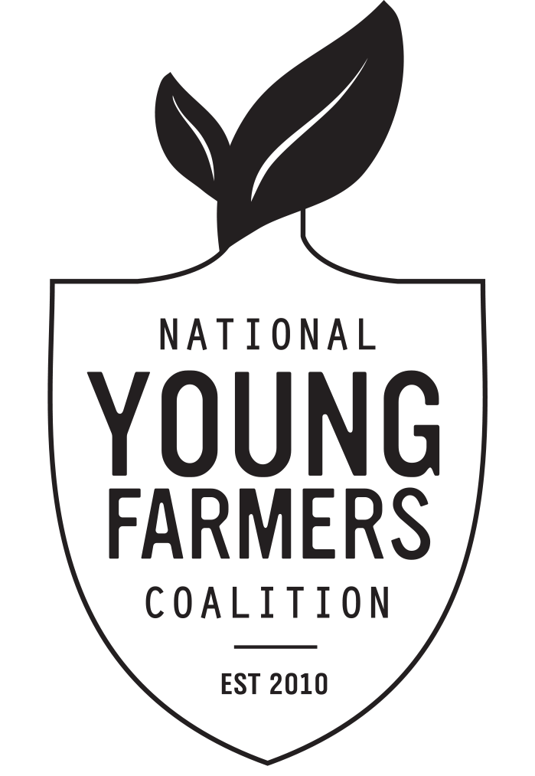
This resource is part of the National Young Farmers Coalition's Finding Farmland Course.
Visit us at youngfarmers.org/finding-farmland-course
This project is supported by a grant from the USDA National Institute
of Food and Agriculture through its Beginning Farmer and Rancher
Development Program, #2016-70017-25498.

